Authenticate User - TC
Test Cases for User Authentication (UC-ITA-006) |  |  |  |  |  |  | `
Test Scenario | Test Case ID | Test Case | Pre-Condition | Steps | Test Data | Expected Results | Actual Results
Login Functionality | 1 | Successfully logged in with Allocation Manager account | Navigated to Login Page | 1. Enter the username and password 2. Click "Login" 3. Observe screen | Username: angMich@pharma.com.sg Password: MichAng2333 | 1. You should be redirected to the allocation manager's landing page
 | 2 | Successfully logged in with IT Administrator account | Navigated to Login Page | 1. Enter the username and password 2. Click "Login" 3. Observe screen | Username: angDer@pharma.com.sg Password: DerAng2333 | 1. You should be redirected to the IT administrator's landing page
 | 3 | Successfully logged in with Staff account | Navigated to Login Page | 1. Enter the username and password 2. Click "Login" 3. Observe screen | Username: angMic213@pharma.com.sg Password: MichAng23313 | 1. You should be redirected to the staff's landing page
 | 4 | Successfully logged in with Branch Manager account | Navigated to Login Page | 1. Enter the username and password 2. Click "Login" 3. Observe screen | Username: angMicDer@pharma.com.sg Password: MitchAng2333 | 1. You should be redirected to the branch manager's landing page
 | 2022-05-08 | Password invalid for Allocation Manager account | Navigated to Login Page | 1. Enter the username and password 2. Click "Login" 3. Observe screen | Username: angMich@pharma.com.sg Password: dsfwe | 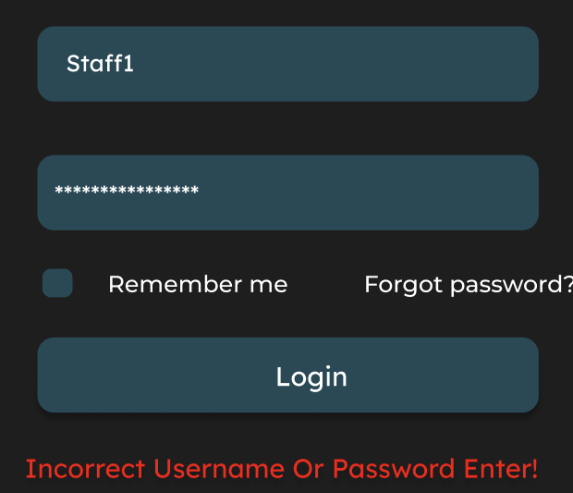 1. An error message "An invalid user name or password has been entered"
 | 2022-09-16 | Username invalid for Allocation Manager account | Navigated to Login Page | 1. Enter the username and password 2. Click "Login" 3. Observe screen | Username: angMic34h@pharma.com.sg Password: MichAng2333 | 1. An error message "An invalid user name or password has been entered"

Create Account - TC
Test Cases for Create Account (UC-ITA-001)
Test Scenario | Test Case ID | Test Case | Pre-Condition | Steps | System Date | Test Data | Expected Results | Actual Results
Create Account Functionality | 1 | Email exists in the system | User is logged in as IT admin and has navigated to the create account page | 1. Enter the name, email, mobile, password and role 2. Click "Submit" 3. Observe the page | 2023-04-09 | Name: Sam Lim Email: samL@pharma.com.sg Mobile: 9382 8899 Role: Branch Manager Password: dj88990@kl | 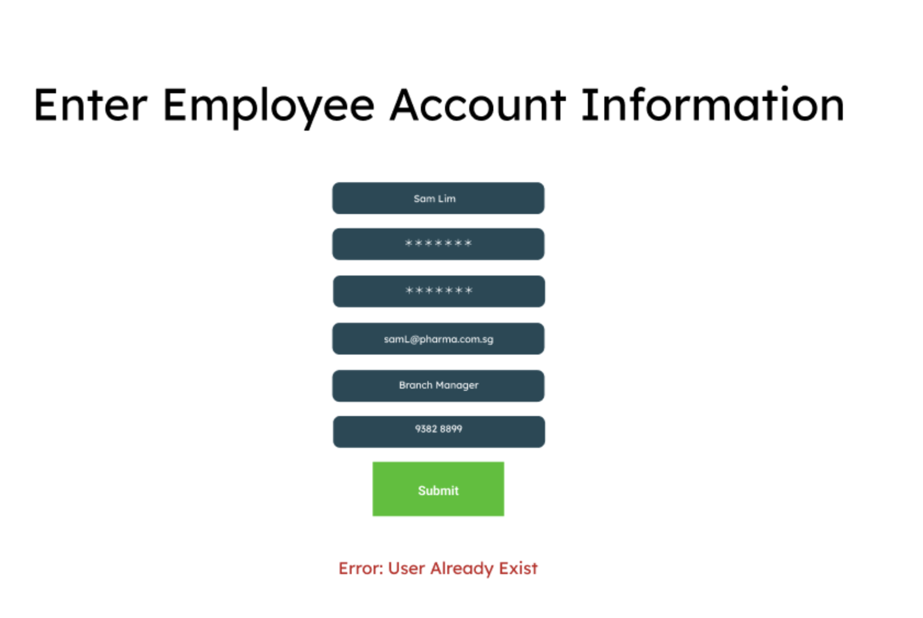 System shows a user exists error message
 | 2 | All input is valid and email does not exist | User is logged in as IT admin and has navigated to the create account page | 1. Enter the name, email, mobile, password and role 2. Click "Submit" 3. Observe the page 4. Confirm the creation of the account 5. Observe the page | 2023-04-09 | Name: Sam Lim Email: sam123@pharma.com.sg Mobile: 9382 8899 Role: Branch Manager Password: dj88990@kl | System prompts for confirmation After confirmation, the system displays success message
 | 3 | Staff mobile is invalid (7-digit) and Email exists | User is logged in as IT admin and has navigated to the create account page | 1. Enter the name, email, mobile, password and role 2. Click "Submit" 3. Observe the page | 2023-04-09 | Name: Sam Lim Email: samL@pharma.com.sg Mobile: 8239238 Role: Branch Manager Password: dj88990@kl | 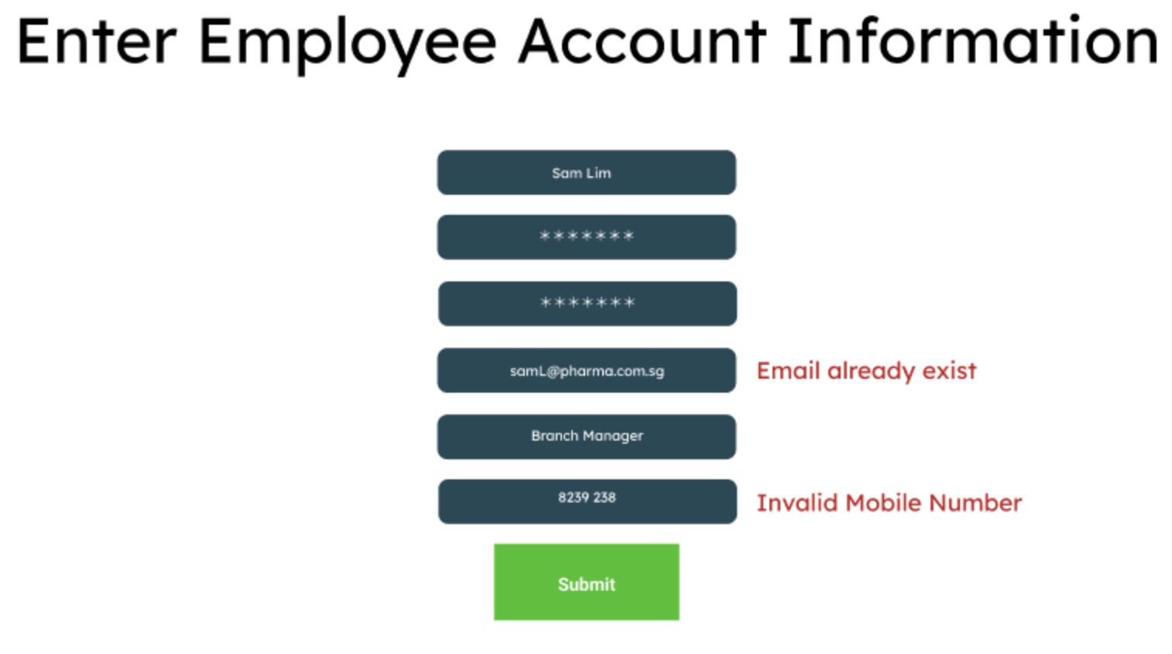 System shows a invalid mobile and email exists error message
 | 4 | Staff mobile (9-digit) is invalid | User is logged in as IT admin and has navigated to the create account page | 1. Enter the name, email, mobile, password and role 2. Click "Submit" 3. Observe the page | 2023-04-09 | Name: Sam Lim Email: samL45@pharma.com.sg Mobile: 823923822 Role: Branch Staff Password: dj88990@kl | 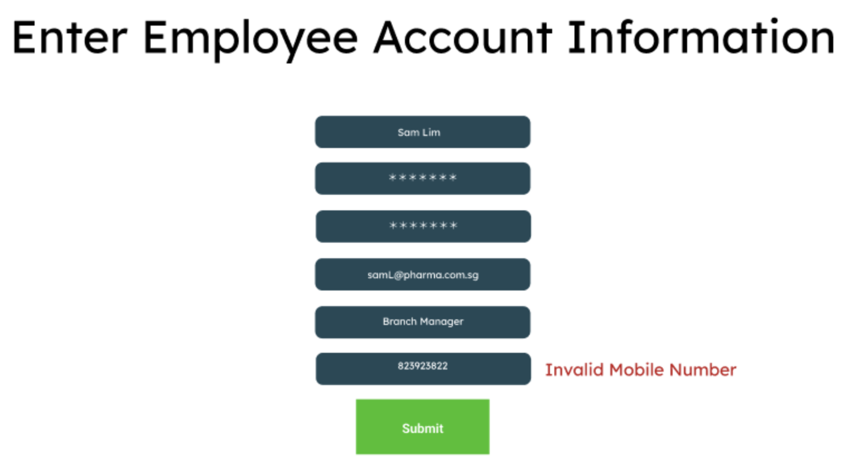 System shows invalid mobile error message
 | 6 | Staff email is invalid, mobile number has correct length (8-digit) | User is logged in as IT admin and has navigated to the create account page | 1. Enter the name, email, mobile, password and role 2. Click "Submit" 3. Observe the page | 2023-04-09 | Name: Sam Lim Email: samLpharma.com.sg Mobile: 8888 8888 Role: Assistant Manager Password: dj88990@kl | System shows invalid email error message
 | 8 | staff email and mobile (contains letters) is invalid | User is logged in as IT admin and has navigated to the create account page | 1. Enter the name, email, mobile, password and role 2. Click "Submit" 3. Observe the page | 2023-04-09 | Name: Sam Lim Email: samL45pharmacom.sg Mobile: 8823 u888 Role: Pharmacist Password: dj88990@kl | System shows invalid email and mobie error message
 | 9 | Staff name is invalid and email exists | User is logged in as IT admin and has navigated to the create account page | 1. Enter the name, email, mobile, password and role 2. Click "Submit" 3. Observe the page | 2023-04-09 | Name: Sam Lim3234 Email: samL@pharma.com.sg Mobile: 9382 8899 Role: Branch Manager Password: dj88990@kl | 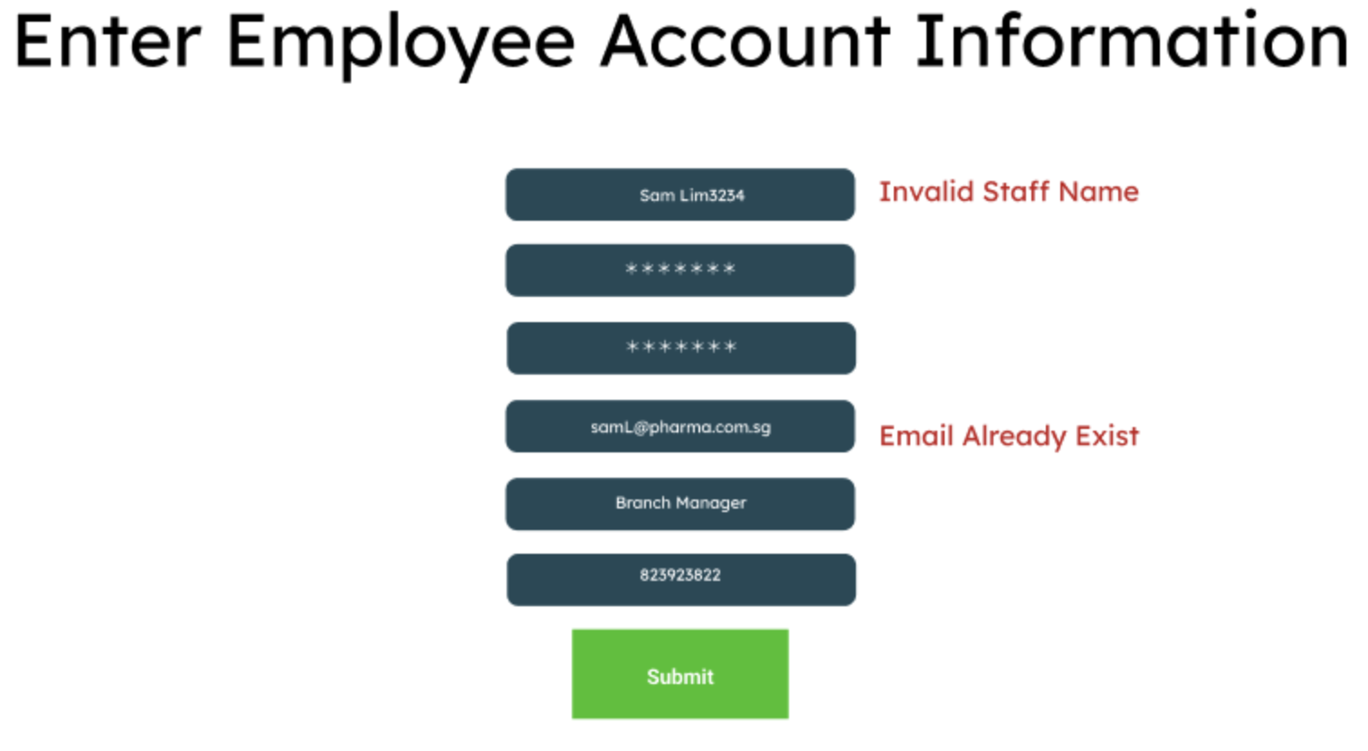 System shows invalid staff name and email exists error message
 | 10 | Staff name is invalid | User is logged in as IT admin and has navigated to the create account page | 1. Enter the name, email, mobile, password and role 2. Click "Submit" 3. Observe the page | 2023-04-09 | Name: Sam Lim3234 Email: samL234@pharma.com.sg Mobile: 9382 8899 Role: Branch Manager Password: dj88990@kl | 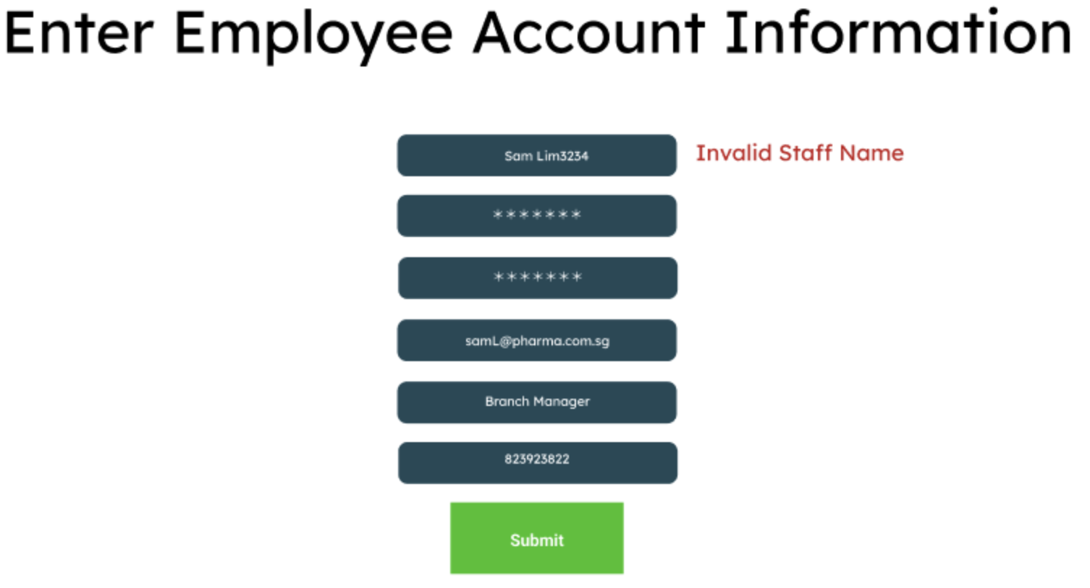 System shows invalid staff name error message
 | 11 | Staff name and mobile is invalid (contains letters) and email exists | User is logged in as IT admin and has navigated to the create account page | 1. Enter the name, email, mobile, password and role 2. Click "Submit" 3. Observe the page | 2023-04-09 | Name: Sam Lim3234 Email: samL@pharma.com.sg Mobile: 9382 88erer99 Role: Branch Manager Password: dj88990@kl | System shows invalid name and mobile, and email exists error message
 | 12 | Staff name and mobile is invalid | User is logged in as IT admin and has navigated to the create account page | 1. Enter the name, email, mobile, password and role 2. Click "Submit" 3. Observe the page | 2023-04-09 | Name: Sam Lim3234 Email: samL99@pharma.com.sg Mobile: 9382 88erer99 Role: Branch Manager Password: dj88990@kl | System shows invalid staff name and mobie error message
 | 14 | Staff name and email are invalid | User is logged in as IT admin and has navigated to the create account page | 1. Enter the name, email, mobile, password and role 2. Click "Submit" 3. Observe the page | 2023-04-09 | Name: Sam Lim3234 Email: samL99pharma.com.sg Mobile: 9382 8899 Role: Branch Manager Password: dj88990@kl | System shows invalid email and staff name error message
 | 16 | Staff name, email and mobile are invalid | User is logged in as IT admin and has navigated to the create account page | 1. Enter the name, email, mobile, password and role 2. Click "Submit" 3. Observe the page | 2023-04-09 | Name: Sam Lim3234 Email: samL99pharma.com.sg Mobile: 9382 889efefefef9 Role: Branch Manager Password: dj88990@kl | 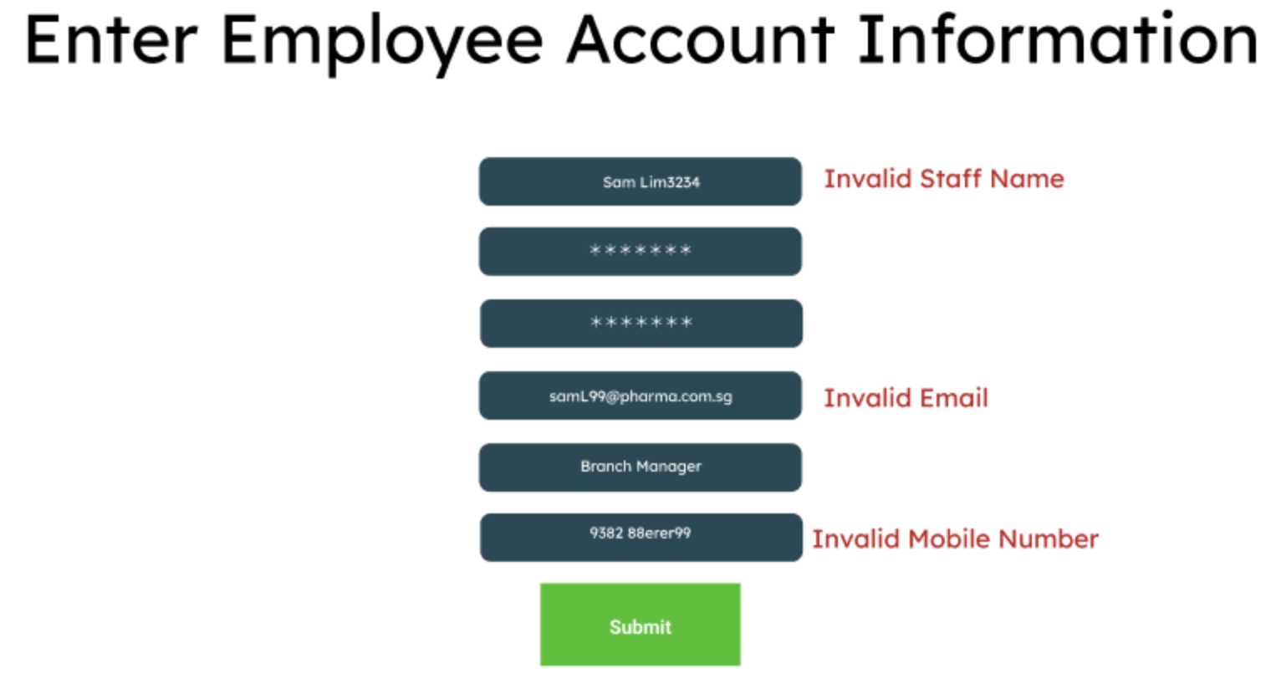 System show invalid staff name, mobile and email error message

Submit Availability - TC
Test Cases for Submit Availability (UC-EMP-001)
Test Scenario | Test Case ID | Test Case | Pre-Condition | Steps | System Date | Test Data | Expected Results | Actual Results
Submit Availability | 1 | Late submission (Sunday before) | The staff must be logged in and on the branch manager / staff landing page | 1. Select a week to submit 2. Select a few slots you are available 3. Enter a reason for the late submission 4. Click submit | 2023-04-16 | Week chosen: 17 Apr 2023 User: Staff1@pharma.com.sg Reason: Appointment cancelled | 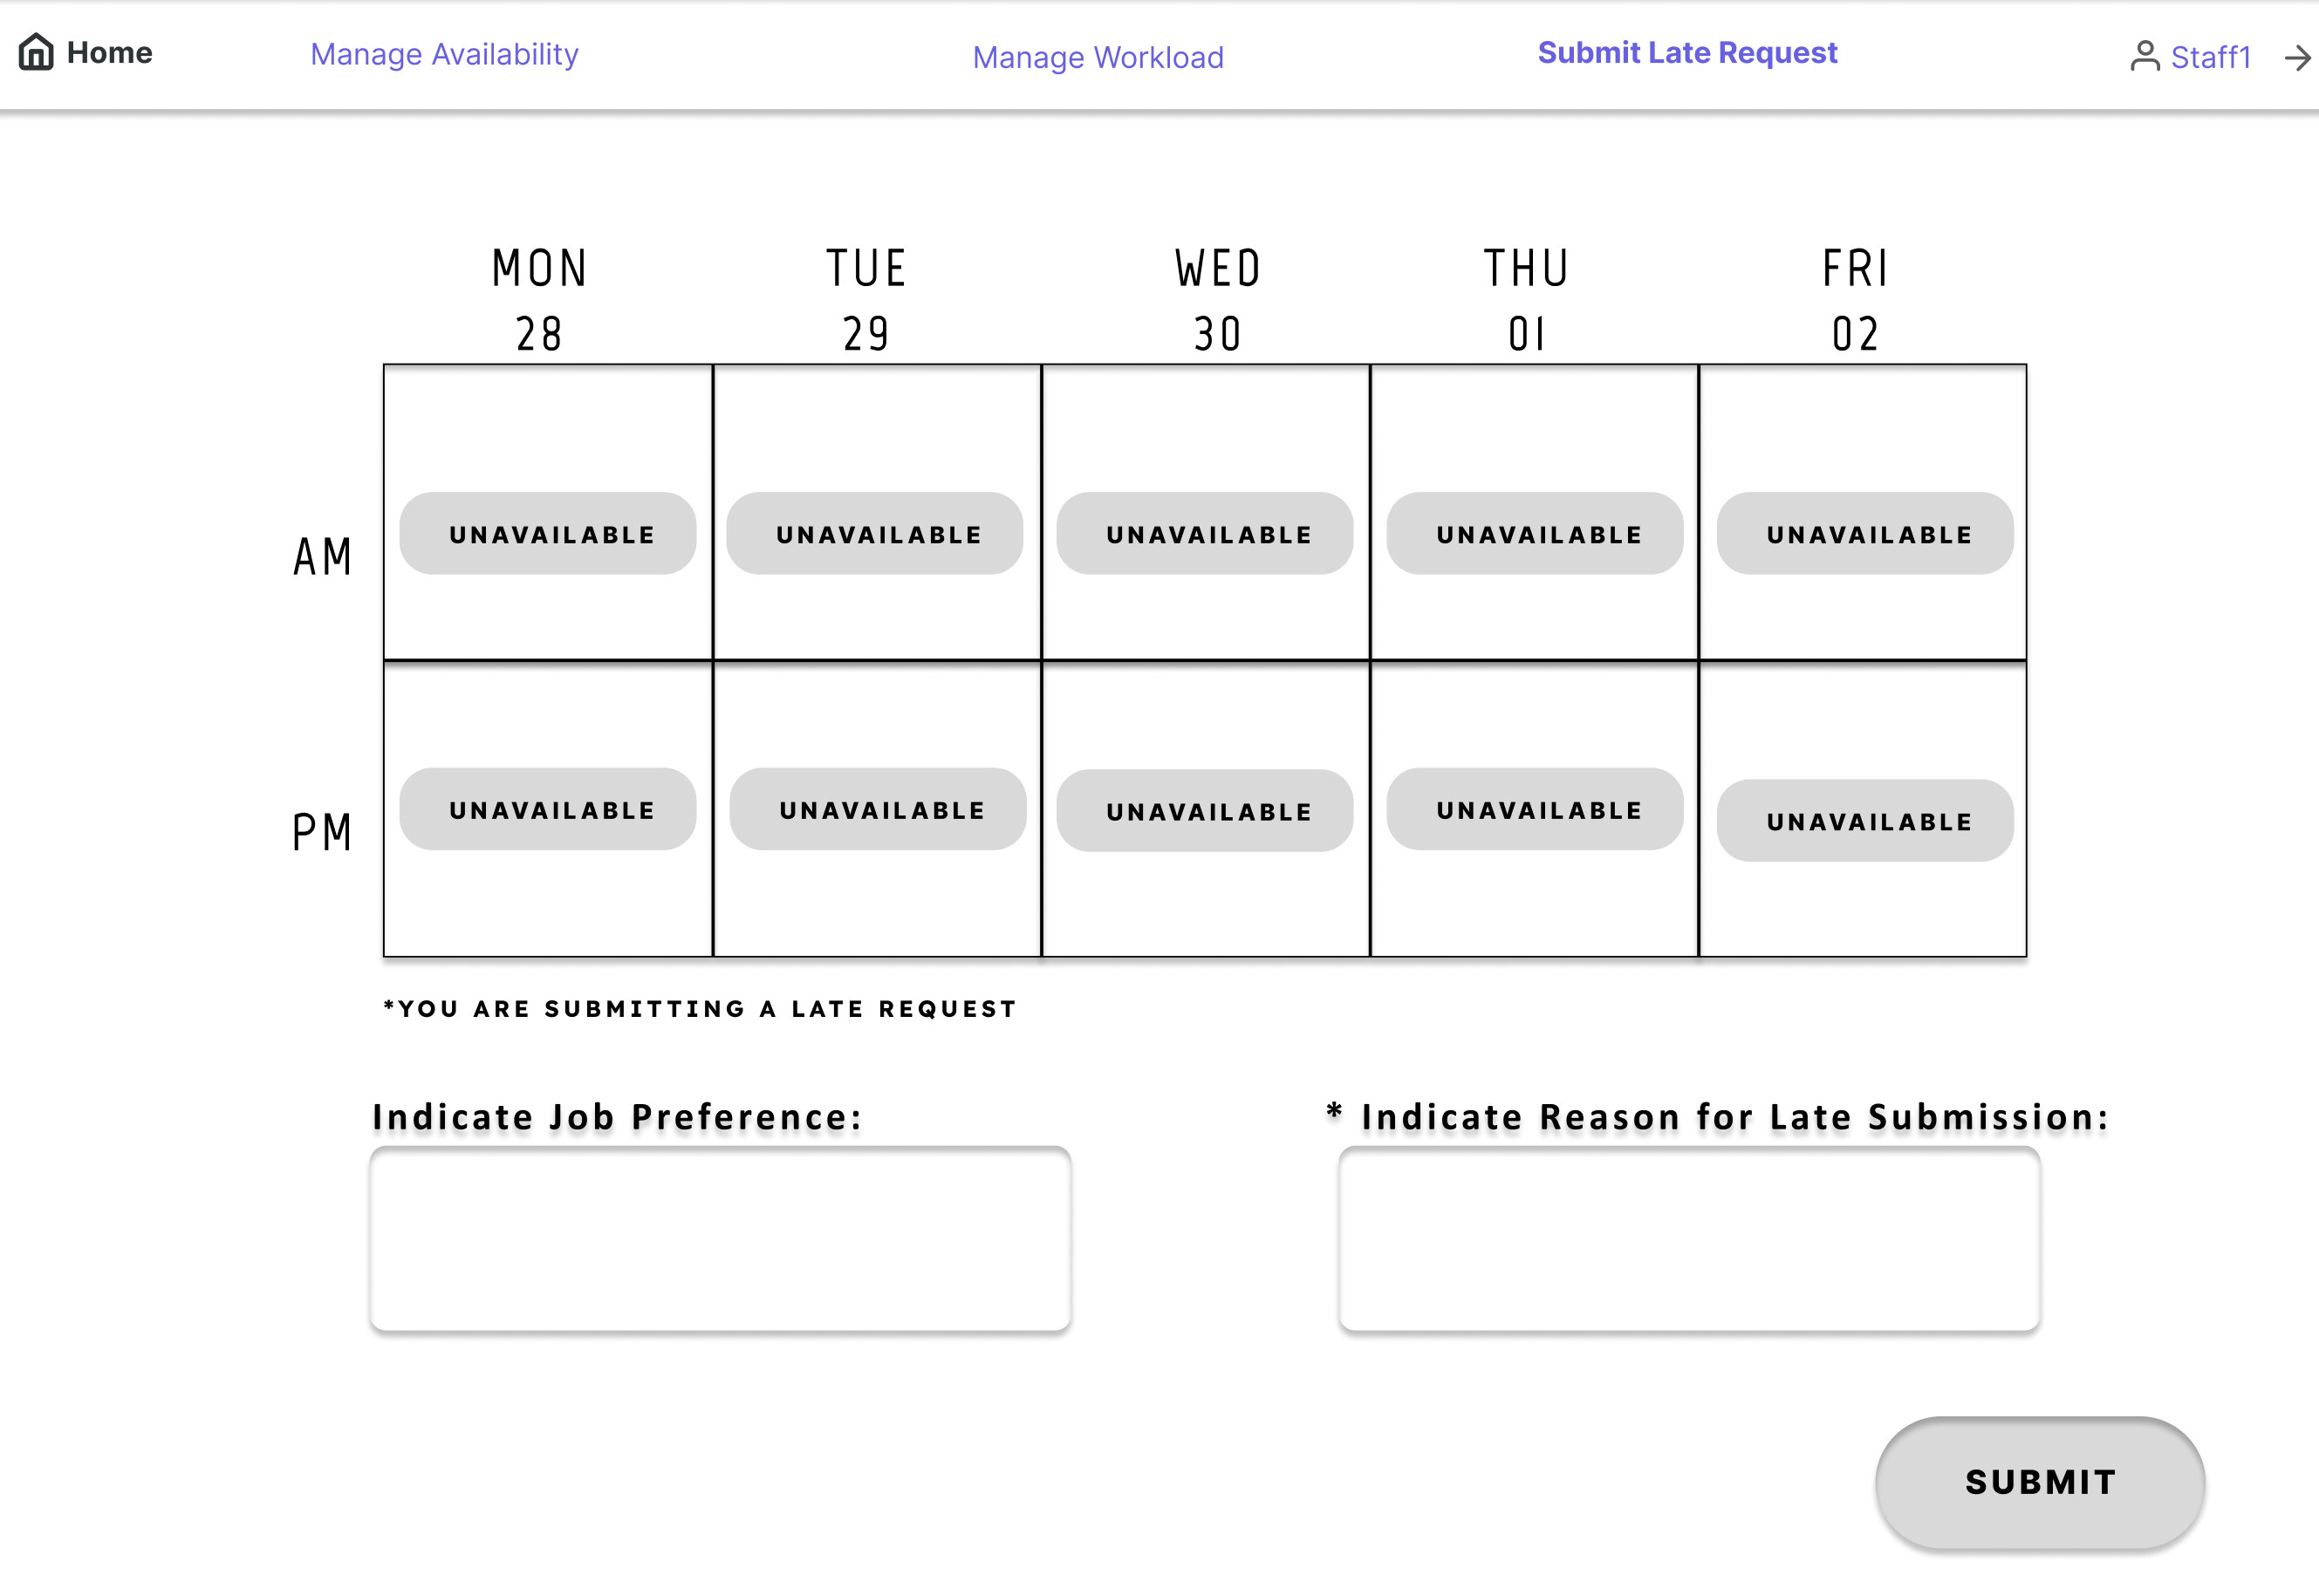 Should show the reason input field Email should be sent to the administrative manager.
 | 2 | Late submission without reason | The staff must be logged in and on the branch manager / staff landing page | 1. Select a week to submit 2. Select a few slots you are available 3. Click submit | 2023-04-16 | Week chosen: 17 Apr 2023 User: Staffa@pharma.com.sg Reason: Blank | Should show the reason input field Should show missing reason error message
 | 3 | Normal submission | The staff must be logged in and on the branch manager / staff landing page | 1. Select a week to submit 2. Select a few slots you are available 3. Click submit | 2023-04-11 | Week chosen: 17 Apr 2023 User: Staffb@pharma.com.sg | Should not show the reason input field
 | 4 | Late submission (Thursday before) | The staff must be logged in and on the branch manager / staff landing page | 1. Select a week to submit 2. Select a few slots you are available 3. Enter a reason for the late submission 4. Click submit | 2023-04-13 | Week chosen: 17 Apr 2023 User: Staffc@pharma.com.sg Reason: Appointment cancelled | Should show the reason input field Email should be sent to the administrative manager
 | 5 | Late submission (Monday of the same week) | The staff must be logged in and on the branch manager / staff landing page | 1. Open the dropdownlist and observe the screen | 2023-04-17 | Week chosen: 17 Apr 2023 User: Staffe@pharma.com.sg | Should not show up in the week picker
 | 6 | Late submission (Wednesday before) | The staff must be logged in and on the branch manager / staff landing page | 1. Select a week to submit 2. Select a few slots you are available 3. Enter a reason for the late submission 4. Click submit | 2023-04-12 | Week chosen: 17 Apr 2023 User: Staffhg@pharma.com.sg Reason: Appointment cancelled | Should not show the reason input field
 | 7 | Normal submission (3 Weeks in advance) | The staff must be logged in and on the branch manager / staff landing page | 1. Select a week to submit 2. Select a few slots you are available 3. Click submit | 2023-04-11 | Week chosen: 1 May 2023 User: Staff2@pharma.com.sg | Should not show the reason input field
 | 8 | Normal submission (4 Weeks in advance) | The staff must be logged in and on the branch manager / staff landing page | 1. Select a week to submit 2. Select a few slots you are available 3. Click submit | 2023-04-11 | Week chosen: 8 May 2023 User: Staff2@pharma.com.sg | 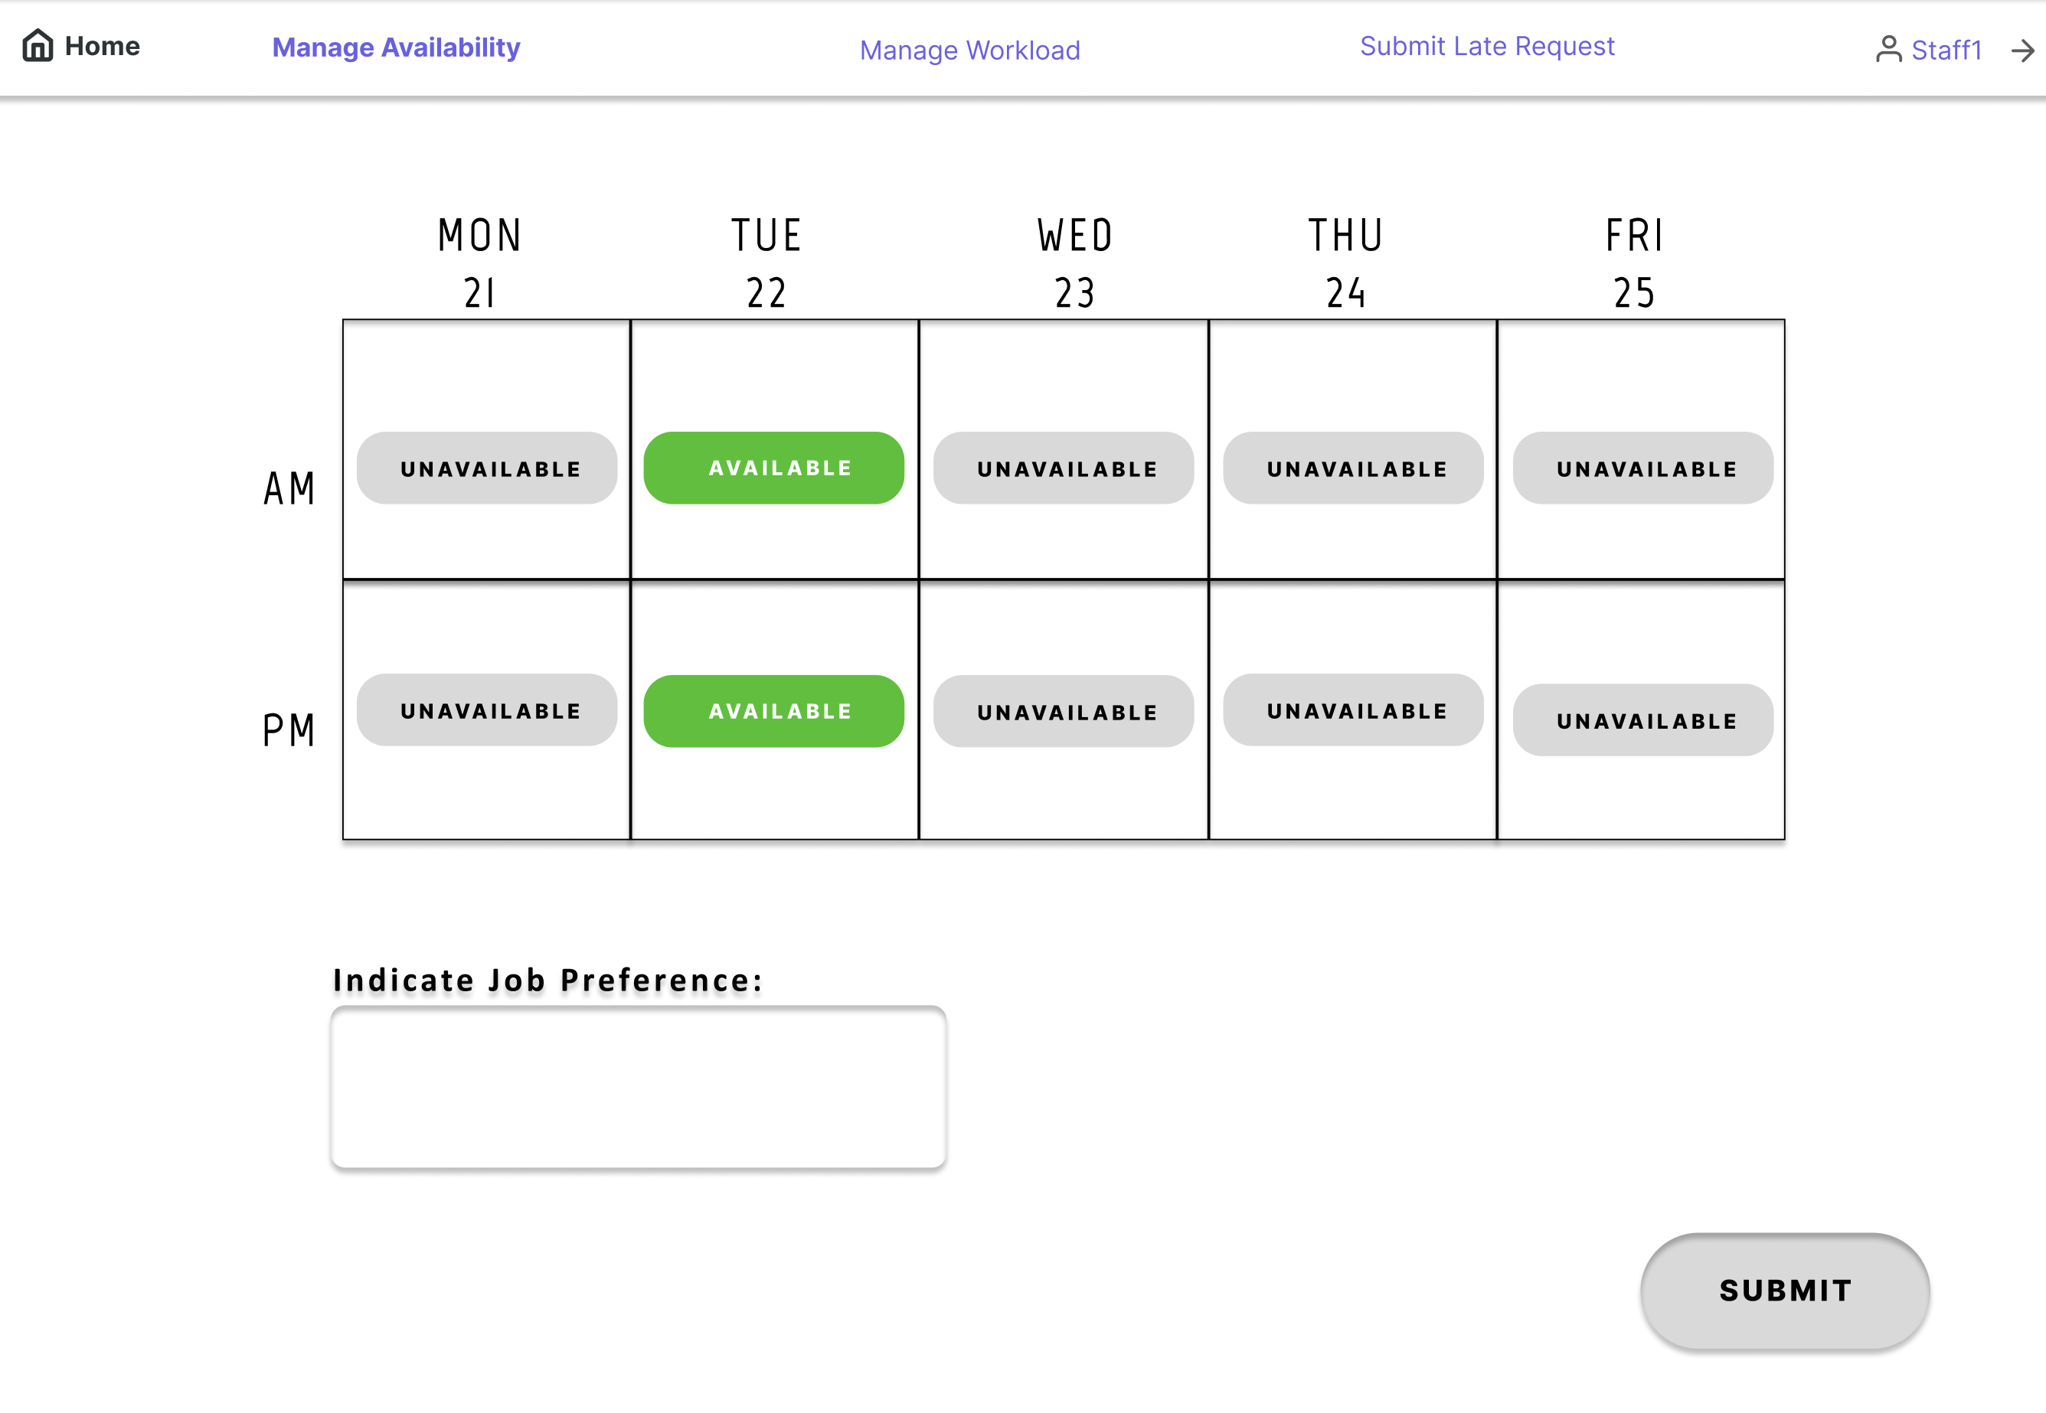 Should not show the reason input field
 | 9 | Normal submission (5 Weeks in advance) | The staff must be logged in and on the branch manager / staff landing page | 1. Open the dropdownlist and observe the screen | 2023-04-11 | Week chosen: 15 May 2023 User: Staff3@pharma.com.sg | Should not show up in the week picker

Plan Job Allocation TC
Test Cases for Plan Job Allocation (UC-AMP-002)
Test Scenario | Test Case ID | Test Case | Pre-Condition |  | System Date | Test Data | Expected Results | Actual Results
Plan Job Allocations Functionality | 1 | Staff >42 hrs assigned (total 45 hours) | User must be logged in as Allocation Manager User must be on the plan allocation page Staff to be allocateded must have 4 shifts already allocated | 1. Select day to begin planning 2. Select shift and branch 3. Select staff to allocate | 2023-04-16 | Date: 21/4/2023 Shift: PM Branch: Bishan Staff: Sam Lim | 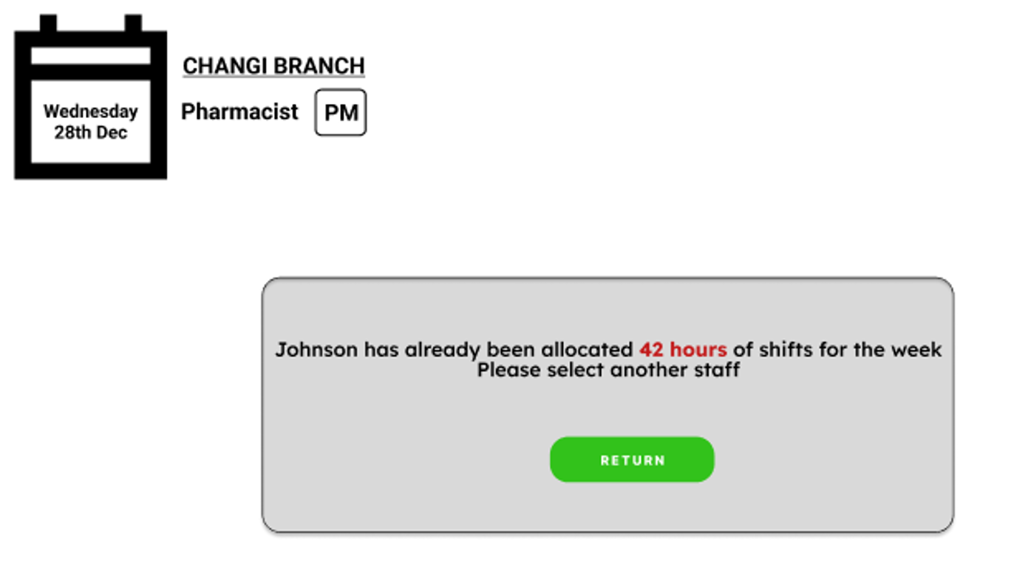 System prompts an error message that the maximum workload has been hit
 | 2 | Staff <42 hrs assigned (total 36 hours) | User must be logged in as Allocation Manager User must be on the plan allocation page Staff to be allocated must have 3 shifts already allocated | 1. Select day to begin planning 2. Select shift and branch 3. Select staff to allocate 4. Confirm allocation | 2023-04-16 | Date: 20/4/2023 Shift: PM Branch: Orchard Staff: Sam Lim | System successfully saves the job allocation

